LaReunion
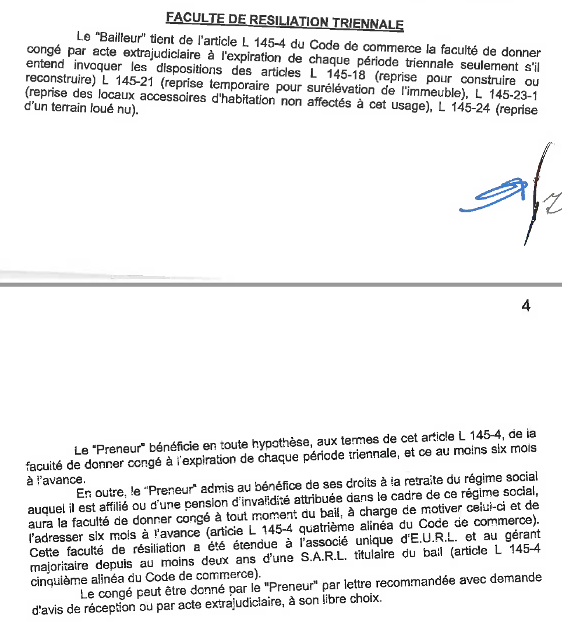
 | Update date | 2025-11-27

 | Country/BU | BU Reunion | BU Reunion | BU Reunion | BU Reunion

 | Does your BU have multiple locations? (Please choose "Yes" / "No") |  | Yes
 | How many locations does your BU have (Please enter the number of office locations in your BU) |  | 4

 | Contact Person
 | Location | Location 1 - Sainte-Marie, La Réserve 2 | Location 2 - Sainte-Marie, La Réserve 1 | Location 3 - Sainte-Marie, La Réserve 3 | Location 4 - Sainte-Marie, La Réserve 4 | Location 5 - xxx | Location 6 - xxx | Location 7 - xxx | Location 8 - xxx | Location 9 - xxx | Location 10 - xxx | Location 11 - xxx | Location 12 - xxx | Location 13 - xxx | Location 14 - xxx | Location 15 - xxx
 | Location unique ID | FR04 | FR04 | FR04 | FR04

Describe the space: e.g. "Whole Building" or "1st and 2nd Floors" | Unit Description | 2nd floor | 2nd floor | 1st floor | 1st floor
Please provide the postal address | Street Address | 32 rue du Général de Gaulle | 32 rue du Général de Gaulle | 32 rue du Général de Gaulle | 32 rue du Général de Gaulle
Try to use the greater metro city where possible | Town | Sainte-Marie, La Réserve | Sainte-Marie, La Réserve | Sainte-Marie, La Réserve | Sainte-Marie, La Réserve
Postcode or Zip code | Postcode | 97438 | 97438 | 97438 | 97438
Country - NOT business unit | Country | France | France | France | France
Please choose | Rental / owned? | Rental | Rental | Rental | Rental
Is the office sublet or rented to you by an Allianz entity? | Is the office located at an Allianz Premises? Yes/No | No | No | No | No
Does the Allianz entity provide the respective services as security, cleaning, etc.? | Is the office also actively managed by an Allianz entity? Yes/No | SCI ASLA | SCI ASLA | SCI ASLA | SCI ASLA
The business name that signed the lease | Tenant Name | AWP REUNION SAS | AWP REUNION SAS | AWP REUNION SAS | AWP REUNION SAS
The business name that owns the property | Landlord Name | SCI ASLA | SCI ASLA | SCI ASLA | SCI ASLA
 | m² | m² | m² | m² | m²
Please specify the gross area of the office in sq. Ft. or m² as per lease agreement | Total area gross | 1,100.00 | 326.00 | 550.00 | 213.00
The number of parking spaces in the lease and NOT the area in sq. Ft. or m² | Parking Spaces
3 digit international currency code for the local currency e.g. EUR, GBP or USD | Currency Code | EUR | EUR | EUR | EUR

Total rental costs/ total sq. Ft. Or m²; in case location is owned, pls use reference prices | Price per sq. Ft./m² Rent (in local currency) | 11.47 | 12.83 | 12.42 | 15.14
Please specify, by how much the rent increases over which period of time (e.g.7% per year starting 2025) | Indexation of the rent in percent per year | 3.50% | 3.50% | 3.50% | 3.50%
Please do not include the rental cost | Service fee and facility costs (According to Account 783*)1 - price per sq. Ft. or m² | 125,39€ m²/year soit 12,54€ m²/month

Please specify, by how many % the costs increases over which period of time (e.g.7% per year starting 2025) | Indexation of service fee and/or facility cost in percent per year | N/A | N/A | N/A | N/A
What is the start date of the lease? | Lease Start Date | 2017-01-01 | 2014-11-01 | 2023-03-01 | 2024-04-05
The next fixed break date in the lease | Next Break Date | 2025-12-31 | 2032-10-31 | 2026-02-28 | 2033-04-04
The date by which notice must have been served | Next Break Notice Expiry | 2025-06-30 | 2032-05-31 | 2032-08-31 | 2033-10-04
Can the contract be terminated before the end of the lease? | Does a termination clause exist? Yes/No | Yes | Yes | Yes | Yes
Please specify the exact conditions of the clause (date, notice period, penalty payments etc.) | If yes, please specify the termination clause | Leave at the end of each three-year period at least 6 months in advance | Leave at the end of each three-year period at least 6 months in advance | Leave at the end of each three-year period at least 6 months in advance | Leave at the end of each three-year period at least 6 months in advance
Does the lease automatically renew? | Auto Renewing Lease? Yes/No | Yes | Yes | Yes | Yes
How many months notice to prevent auto-renewal? | Auto Renewal Notice Period (Months) | 6 | 6 | 6 | 6
The current lease expiry date (leave blank if the lease is open ended) | Lease End Date | 2028-12-31 | 2032-10-31 | 2032-02-29 | 2033-04-04
Please choose "Yes" / "No"; in case of yes, please specify in the comment field | Does your BU have the contractual possibility to sublet your property? Yes/No | No | No | No | No
Please provide the details of the sublease agreement in a separate column of the document | If there is a sublease agreement in place, please provide the details in a separate column | No | No | No | No
Please state only yes, if the whole energy consumption of the location is covered by renewable energy | Is the location operated with renewable energy? Yes/No | No | No | No | No
It could be an internationally recognized certificate (LEED, BREEAM, Green Star, etc.) or a more locally recognized certificate (e.g. DGNB in Germany) | Does the office building hold any sustainability certificate? Yes/No - If yes please specify | No | No | No | No

 | Number of HC working in this location | 286 | 85 | 59 | 42
 | thereof No. of HC not working on operations platforms (call centers) | 38 |  | 0 | 0
 | thereof No. of HC working in operations platforms (call centers) | 333 |  | 59 | 42

 | Number of workstations2 in this location | 292 | 89 | 59 | 42
 | thereof No. of HC non-platform operations | 80 | 31 | 0 | 0
 | thereof No. of HC platform operations | 212 | 58 | 59 | 42

 | H24 Operations in this site? Yes/No | Yes | No | No | No
 | Average shifts per day for Platform Operations people
 | Maximum shifts per day for Platform Operations people
 | WFO rule for Platform operations people (number of days per week in the office) | 3 | 3 | 3 | 3
 | WFO rule for non Platform operations people (number of days per week in the office) | 3 | 3 | 3 | 3

 |  | 1783* - Accommodation Expenses
 |  | 7831005 - Facilities IC rental expense: Premises IC rent → NOT TO BE INCLUDED
 |  | 7832001 - Utilities expenses
 |  | 7832002 - Maintenance expenses
 |  | 7832003 - Other occupancy expenses
 |  | 7833001 - Office equipment - scheduled
 |  | 7833004 - Other Office Costs

 |  | 2 The workstation needs to qualify as regular work place with a sufficient desktop and an appropriate office chair. Agile and collaboration areas are excluded

